1
REFERENCE | DESCRIPTION | COLOR | PICTURE | PCS
EK62023S | PADDED PAK'R | CRAFTY MOSS | 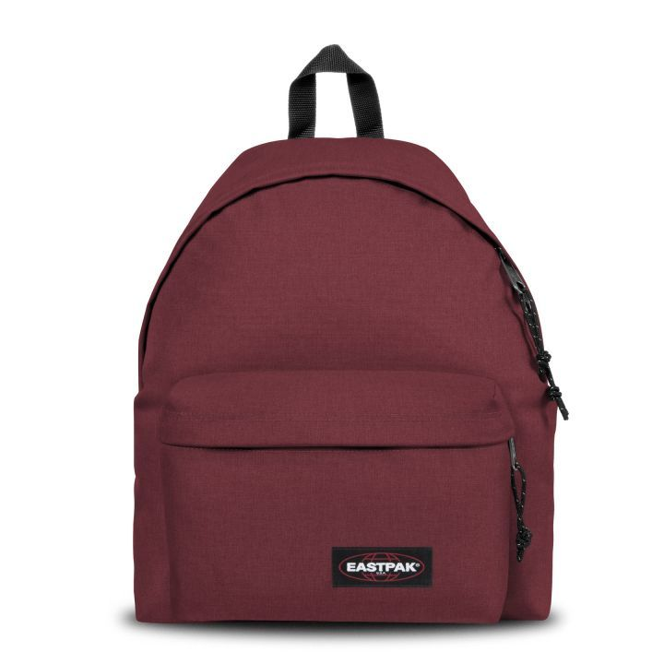 | 113
EK620008 | PADDED PAK'R | BLACK |  | 550
EK620363 | PADDED PAK'R | SUNDAY GREY |  | 200
EK62077H | PADDED PAK'R | BLACK DENIM |  | 800
 |  |  |  | 1663

